Specification
 |  |  |  |  |  |  |  |  |  |  |  |  |  |  |  | 49034
SEASON | ARTICLE | IMAGE 1 | IMAGE 2 | IMAGE 3 | COLOR | COLOR DESCRIPTION | PACK | PACK | PRODUCT NAME | GENDER | BRAND | MADE IN | WHS | RRP | SIZE COUNT | QTY | XS | S | 43-46
NO INFO | Y08QXC1B0 | 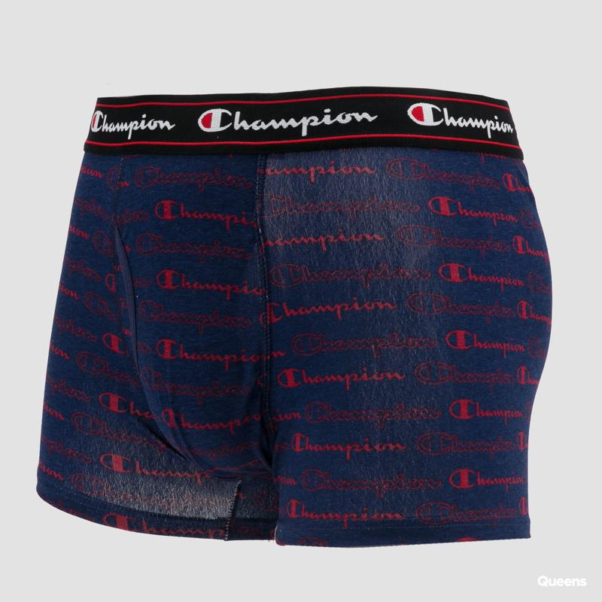 | 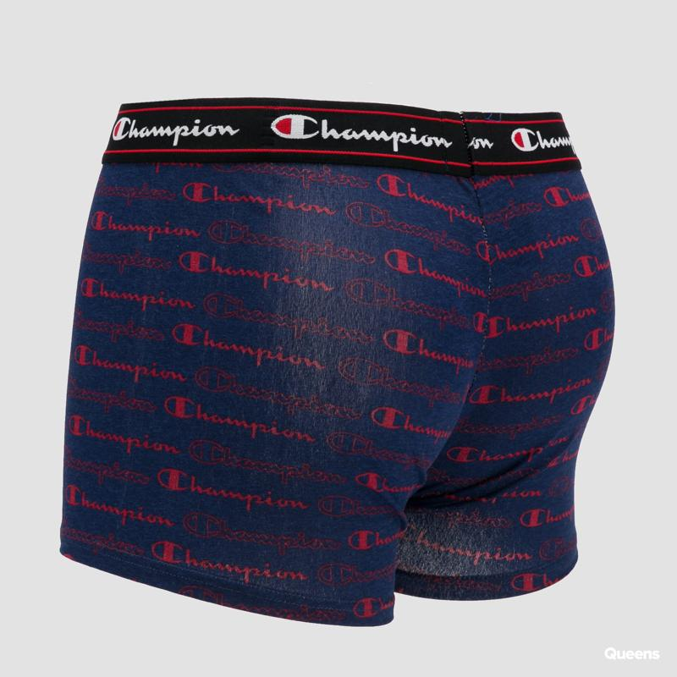 | 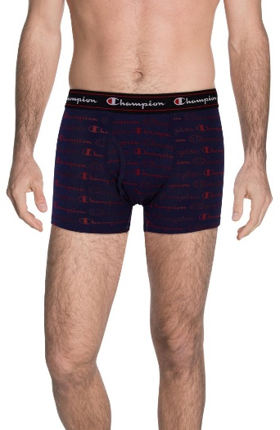 | 9NB | NAVY PRINTED | 1 Pack | 1 | BOXERS | MALE | CHAMPION | VIETNAM | €8.14 | €17.90 | 1 | 6
NO INFO | Y0AAXC1A0 | 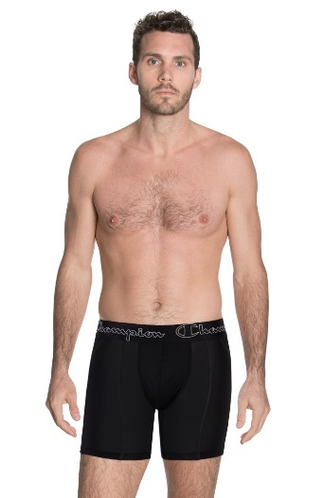 | 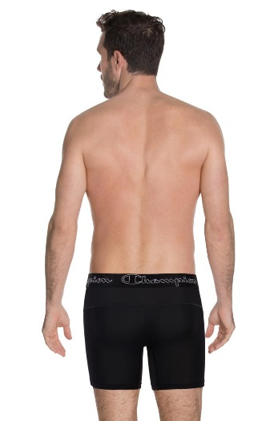 | 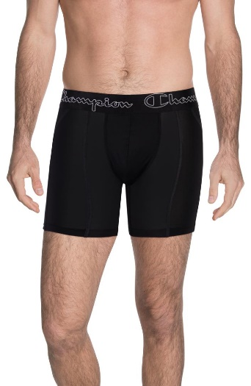 | 3AM | BLACK | 1 Pack | 1 | BOXERS | MALE | CHAMPION | BANGLADESH | €10.00 | €20.00 | 1 | 9 |  | 9
NO INFO | YA9BGC1A0 | 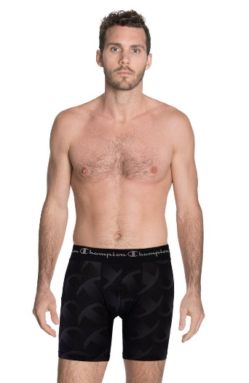 | 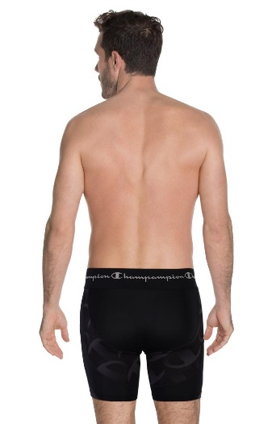 | 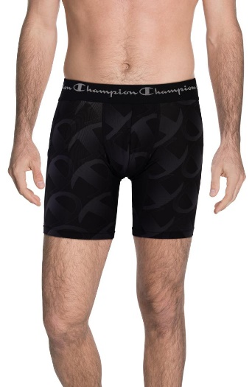 | 8VV | BLACK PRINTED | 1 Pack | 1 | BOXERS | MALE | CHAMPION | CHINA | €13.64 | €30.00 | 1 | 6
NO INFO | Y0BG5E3A0 | 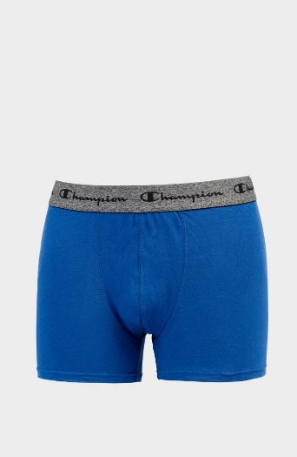 | 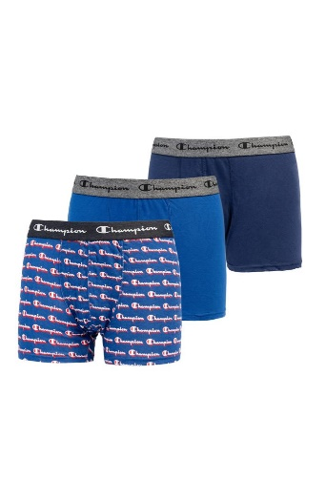 | 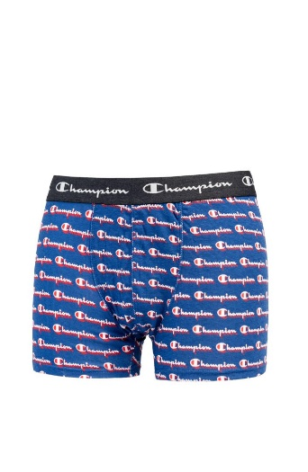 | AEZ | BLUE | 3 Pack | 3 | BOXERS 3 PACK | MALE | CHAMPION | VIETNAM | €11.74 | €27.00 | 1 | 1 |  | 1
NO INFO | S08L2 | 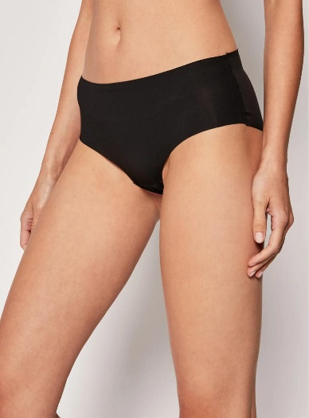 | 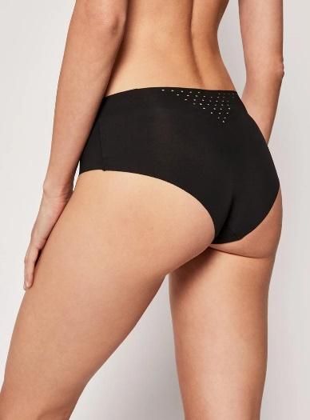 | 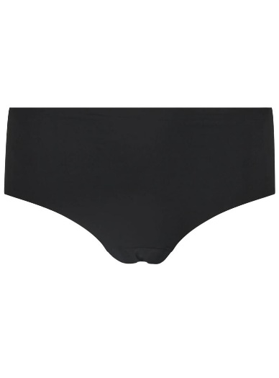 | BLK | BLACK | 1 Pack | 1 | SLIPS | FEMALE | CHAMPION | INDONESIA | €26.09 | €60.00 | 5 | 160 | 24 | 33
NO INFO | Y0AB1C2A0 | 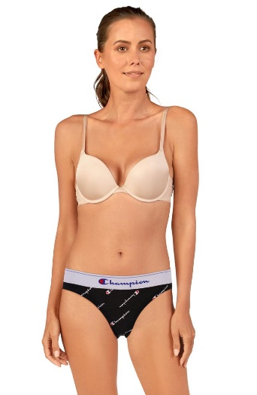 |  | 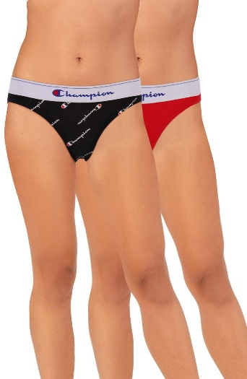 | 9NK | BLACK/RED SCARLET | 2 Pack | 2 | SLIPS 2 PACK | FEMALE | CHAMPION | INDONESIA | €9.50 | €21.00 | 1 | 4 | 4
NO INFO | U14736 | 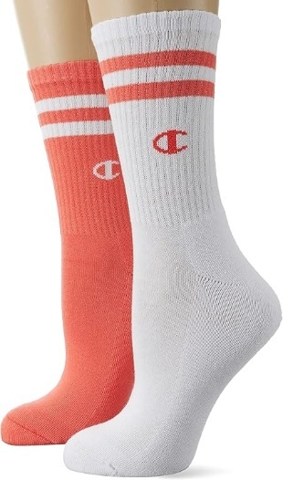 |  |  | PS071 | PWP/WHT | 2 Pack | 2 | SOCKS 2 PACK | FEMALE | CHAMPION | PAKISTAN | €3.60 | €7.99 | 1 | 1
FW 2024 | U10068 |  |  |  | WW006 | WHT/LCR/LLU/WH | 4 pack | 4 | SOCKS 4 PACK | FEMALE | CHAMPION | PAKISTAN | €7.70 | €16.95 | 1 | 72
NO INFO | Y0ABHM1B0 | 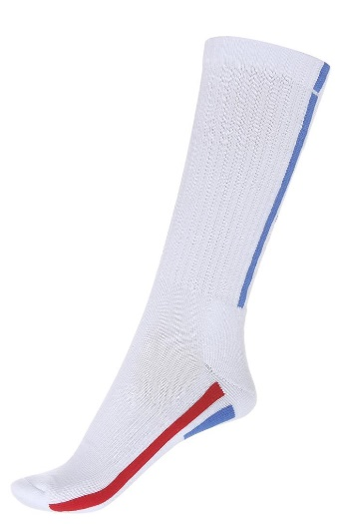 |  |  | 9NR | WHITE/RED | 1 Pack | 1 | SOCKS | UNISEX | CHAMPION | VIETNAM | €4.50 | €9.90 | 3 | 1144 |  |  | 30
FW 2023 | U24561 | 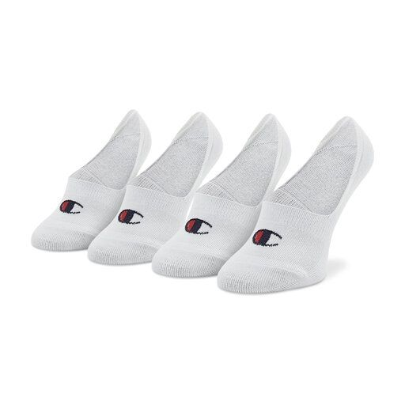 | 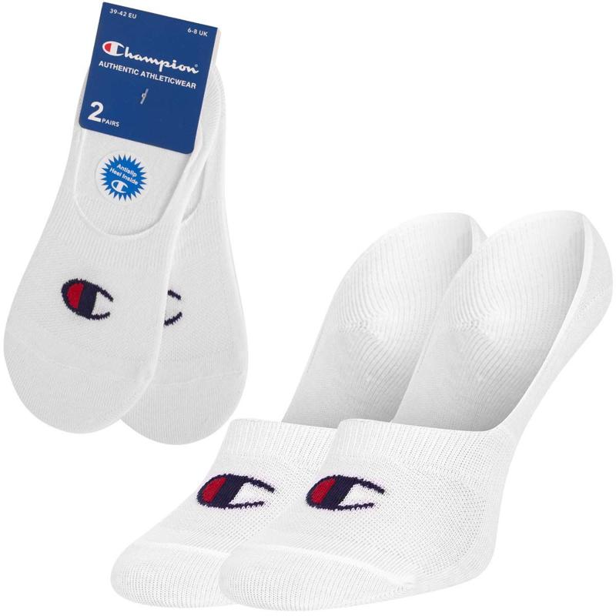 | 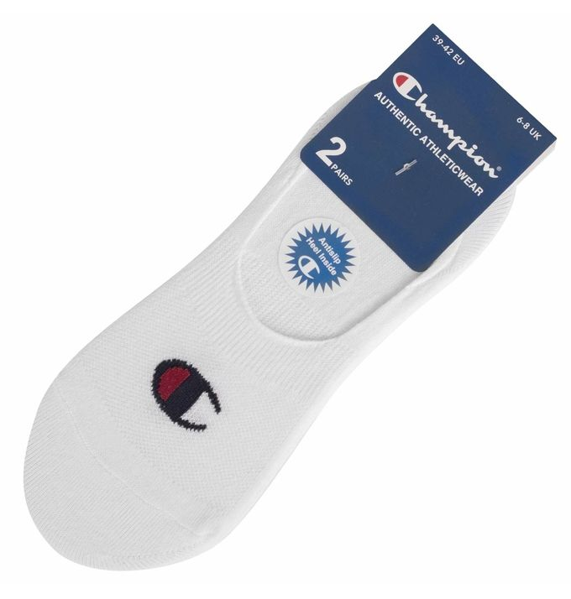 | WW001 | WHT/WHT | 2 Pack | 2 | SOCKS 2 PACK | UNISEX | CHAMPION | TURKEY | €3.60 | €7.99 | 3 | 3
FW 2022 | U20041 | 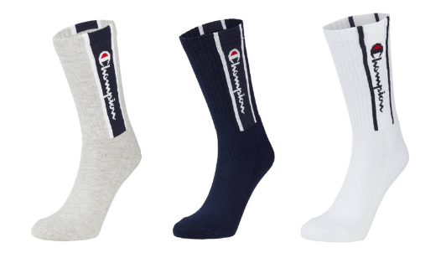 | 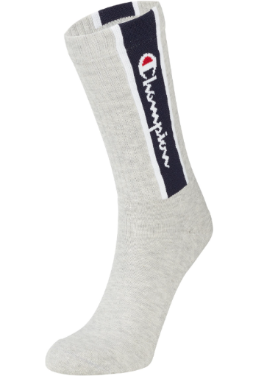 | 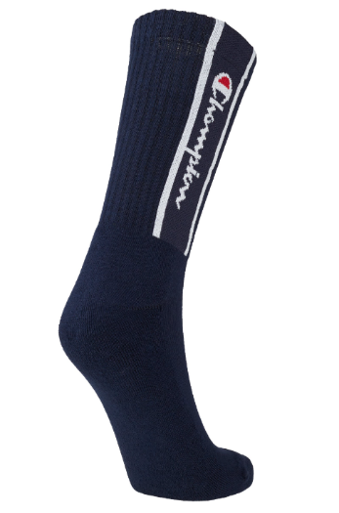 | WW006 | WHITE/NNY/OXGM | 3 Pack | 3 | SOCKS 3 PACK | UNISEX | CHAMPION | PAKISTAN | €5.90 | €12.99 | 1 | 3
SS 2023 | U24559 | 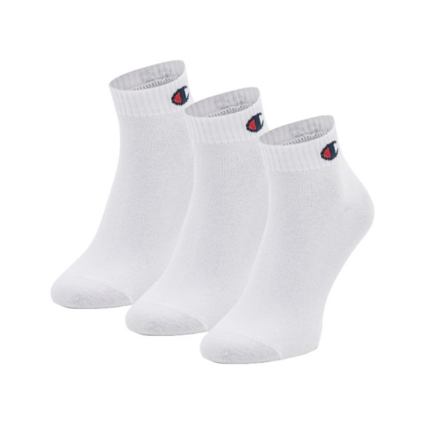 | 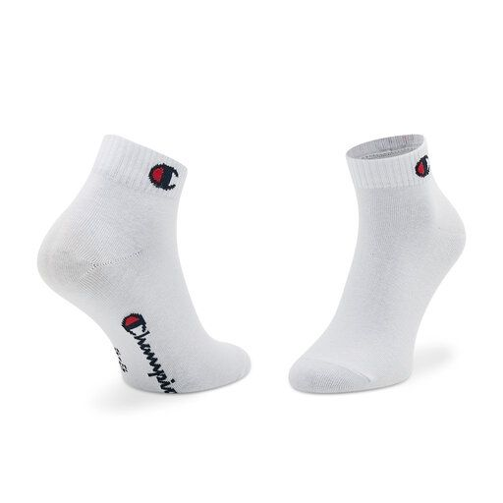 | 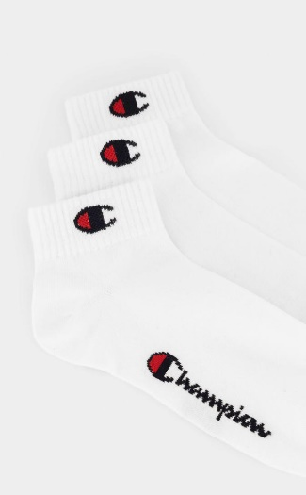 | WW001 | WHITE/WHITE/WHITE | 3 Pack | 3 | SOCKS 3 PACK | UNISEX | CHAMPION | TURKEY | €4.10 | €8.99 | 3 | 11880
SS 2023 | U30028 | 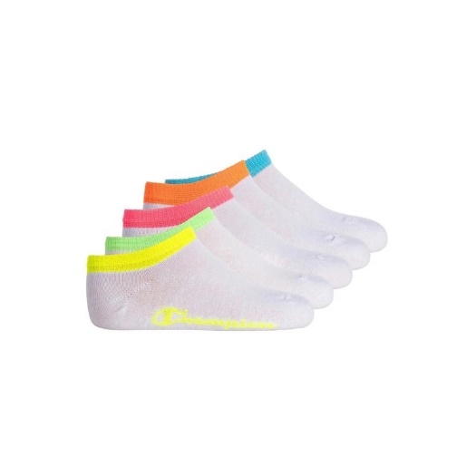 |  |  | WW001 | WHITE/WHITE/WHITE/WH | 5 pack | 5 | SOCKS 5 PACK | UNISEX | CHAMPION | TURKEY | €5.90 | €12.99 | 3 | 31
FW 2023 | U20008 | 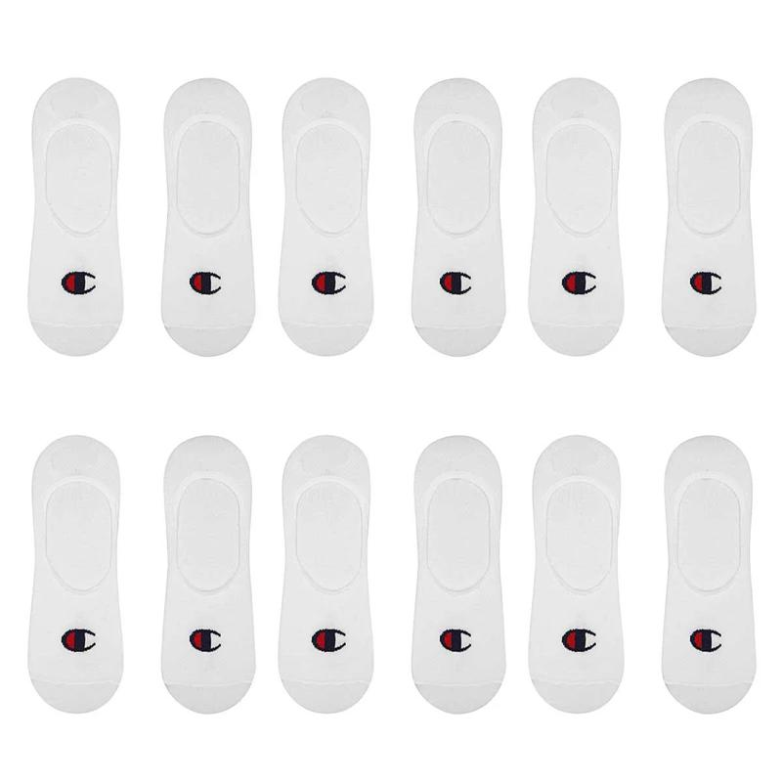 |  | 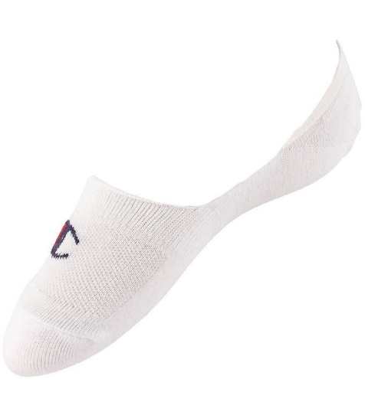 | WW001 | WHT/WHT/WHT/WH | 6 pack | 6 | SOCKS 6 PACK | UNISEX | CHAMPION | TURKEY | €9.10 | €19.99 | 1 | 3
NO INFO | Y0ABVM1A0 | 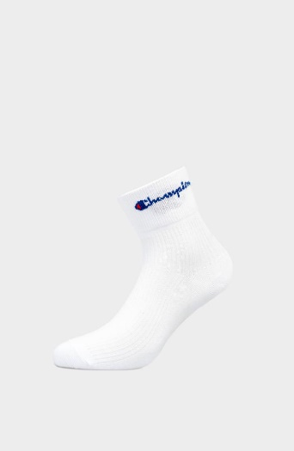 | 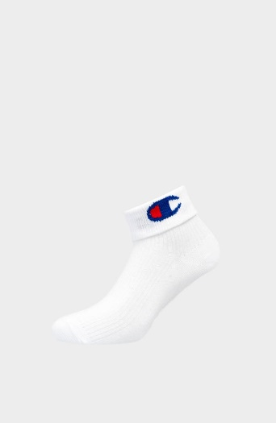 |  | 0RL | WHITE | 1 Pack | 1 | SOCKS | UNISEX | CHAMPION | CHINA | €5.00 | €5.50 | 2 | 272
NO INFO | Y0ABWM1B0 | 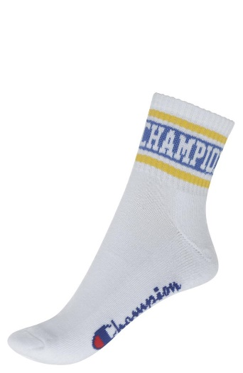 |  |  | 9NW | YELLOW STRIPES | 1 Pack | 1 | SOCKS | UNISEX | CHAMPION | CHINA | €2.72 | €5.99 | 2 | 948
SS 2022 | 805607 | 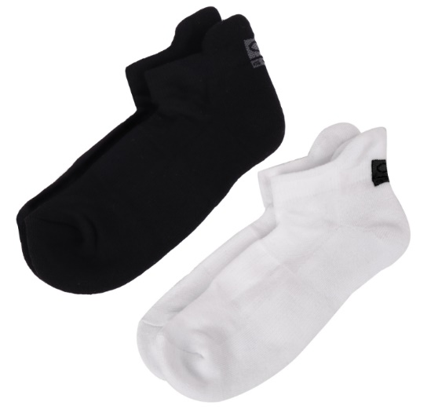 | 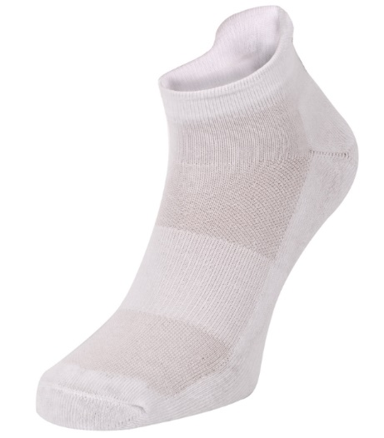 | 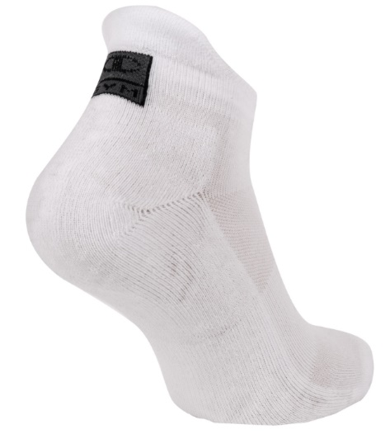 | WW001 | WHITE/NBK | 2 Pack | 2 | SOCKS 2 PACK | UNISEX | CHAMPION | CHINA | €3.10 | €6.90 | 2 | 33
SS 2023 | U24559 | 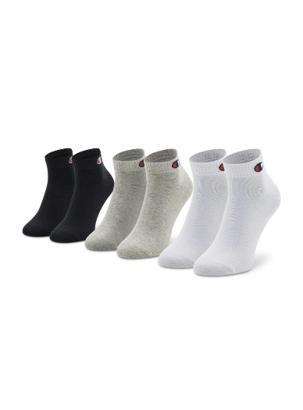 | 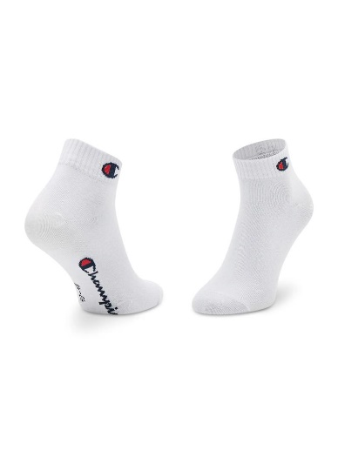 | 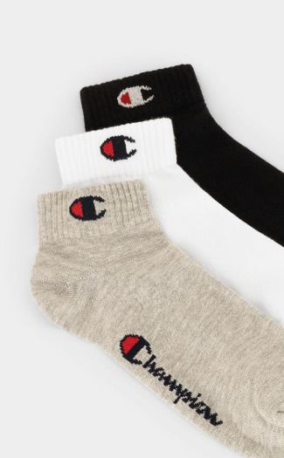 | EM006 | OXGM/WHT/NBK | 3 Pack | 3 | SOCKS 3 PACK | UNISEX | CHAMPION | TURKEY | €4.10 | €8.99 | 2 | 2451
SS 2023 | U34576 | 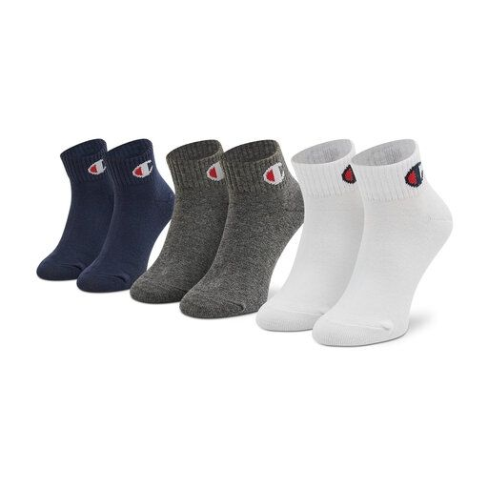 | 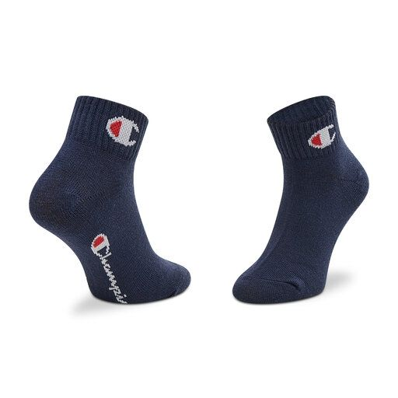 | 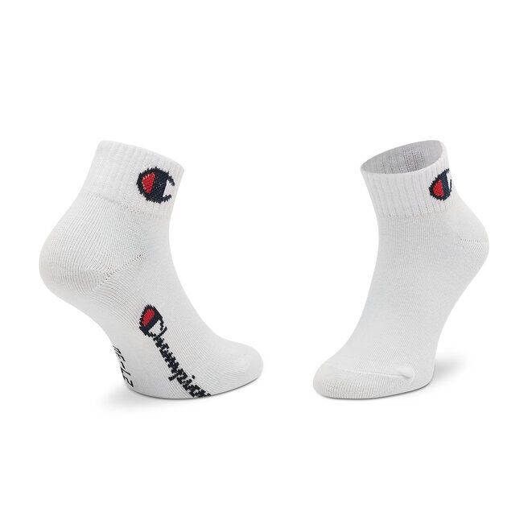 | BS501 | NNY/WHITE/CCOM | 3 Pack | 3 | SOCKS 3 PACK | UNISEX | CHAMPION | TURKEY | €3.60 | €7.99 | 2 | 1139
SS 2023 | U34577 | 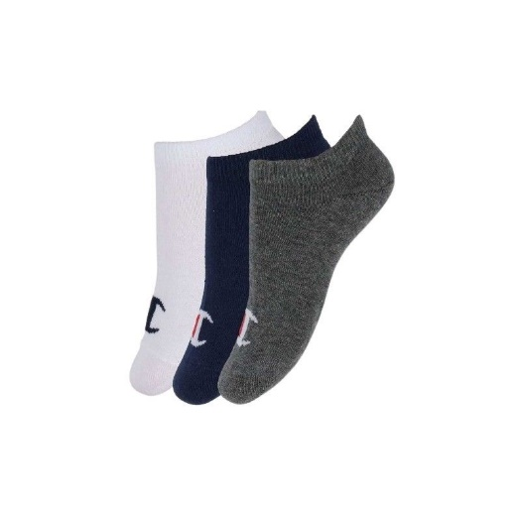 | 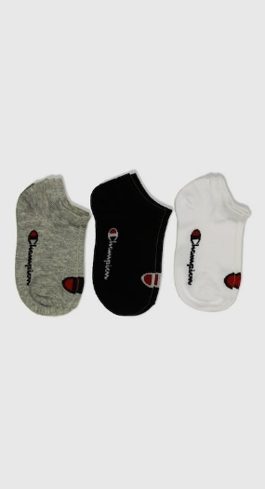 |  | BS501 | NNY/WHITE/CCOM | 3 Pack | 3 | SOCKS 3 PACK | UNISEX | CHAMPION | TURKEY | €3.60 | €7.99 | 2 | 2090
SS 2023 | U30028 | 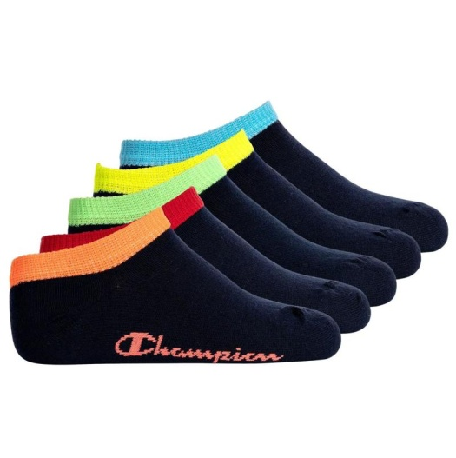 | 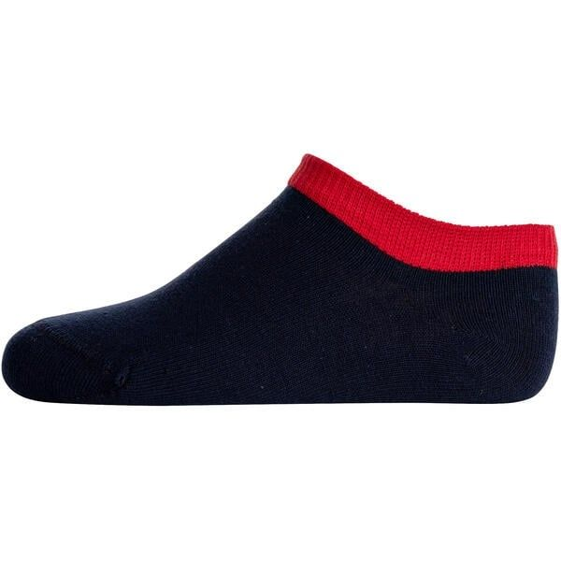 | 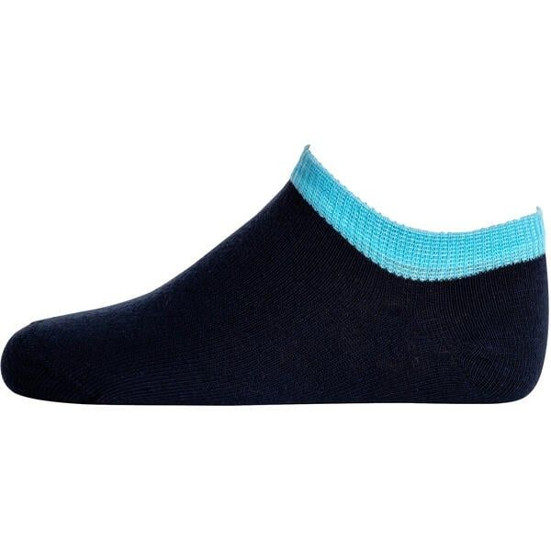 | BS501 | NNY/NNY/NNNY/N | 5 pack | 5 | SOCKS 5 PACK | UNISEX | CHAMPION | TURKEY | €5.90 | €12.99 | 2 | 34
SS 2025 | U20005 | 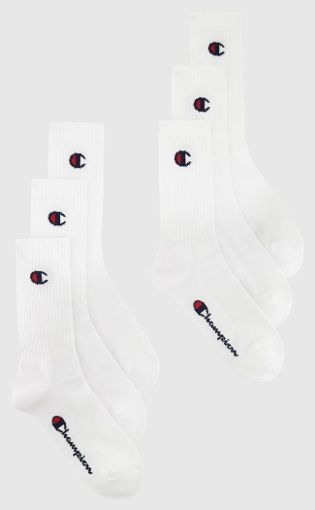 | 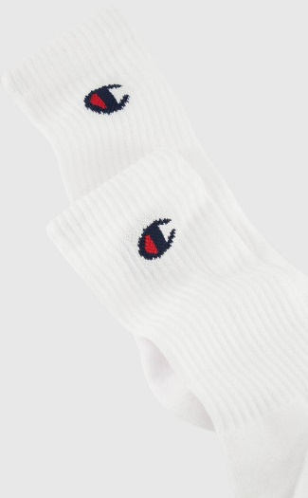 |  | WW001 | WHT/WHT/WHT/WH | 6 pack | 6 | SOCKS 6 PACK | UNISEX | CHAMPION | PAKISTAN | €8.20 | €17.99 | 1 | 1233
FW 2023 | U20008 |  |  |  | KK001 | NBK/NBK/NBK/NB | 6 pack | 6 | SOCKS 6 PACK | UNISEX | CHAMPION | TURKEY | €9.10 | €19.99 | 2 | 5
FW 2023 | U24561 |  |  |  | KK001 | NBK/NBK | 2 Pack | 2 | SOCKS 2 PACK | UNISEX | CHAMPION | TURKEY | €3.60 | €7.99 | 1 | 9
NO INFO | Y0BGLM2A0 |  |  |  | A4R | NAVY | 2 Pack | 2 | SOCKS 2 PACK | UNISEX | CHAMPION | TURKEY | €6.50 | €13.00 | 1 | 26
FW 2023 | U20006 |  |  |  | EM006 | OXGM/OXGM/WHT/ | 6 pack | 6 | SOCKS 6 PACK | UNISEX | CHAMPION | TURKEY | €8.20 | €17.99 | 1 | 1
NO INFO | Y0BGFM2A0 |  |  |  | A4E | RED/NAY | 2 Pack | 2 | BRIEFS 2 PACK | MALE | CHAMPION | VIETNAM | €11.59 | €25.50 | 5 | 590
NO INFO | Y0BGFM2A0 |  |  |  | 9NY | BLACK | 2 Pack | 2 | BRIEFS 2 PACK | MALE | CHAMPION | VIETNAM | €11.59 | €25.50 | 2 | 87
SS 2022 | U20042 |  |  |  | WW001 | WHITE | 1 Pack | 1 | BOXERS | MALE | CHAMPION | CHINA | €18.10 | €39.90 | 4 | 243 |  | 23
SS 2022 | U20042 |  |  |  | KK001 | BLACK | 1 Pack | 1 | BOXERS | MALE | CHAMPION | CHINA | €18.10 | €39.90 | 3 | 4
SS 2022 | U20042 |  |  |  | ES513 | GREY | 1 Pack | 1 | BOXERS | MALE | CHAMPION | CHINA | €18.10 | €39.90 | 2 | 3
NO INFO | Y0BGQM2A0 |  |  |  | A4V | WHITE/LIGHT MULTICOLOR PRINT | 2 Pack | 2 | SOCKS 2 PACK | UNISEX | CHAMPION | CHINA | €4.00 | €11.00 | 3 | 3403
NO INFO | Y0BGNM3A0 |  |  |  | A4U | WHITE/NAVY/RED | 3 Pack | 3 | SOCKS 3 PACK | UNISEX | CHAMPION | CHINA | €3.50 | €9.00 | 3 | 2601
NO INFO | Y0BGOM3A0 |  |  |  | 0RL | WHITE | 3 Pack | 3 | SOCKS 3 PACK | UNISEX | CHAMPION | CHINA | €4.50 | €13.50 | 3 | 5878
NO INFO | Y0BGOM3A0 |  |  |  | A4U | WHITE/NAVY/RED | 3 Pack | 3 | SOCKS 3 PACK | UNISEX | CHAMPION | CHINA | €4.50 | €13.50 | 3 | 3464
NO INFO | Y0BGPM3A0 |  |  |  | 0RL | WHITE | 3 Pack | 3 | SOCKS 3 PACK | UNISEX | CHAMPION | CHINA | €7.00 | €11.90 | 3 | 7181
NO INFO | Y0BGRM2A0 |  |  |  | A4V | WHITE/LIGHT MULTICOLOR PRINT | 2 Pack | 2 | SOCKS 2 PACK | UNISEX | CHAMPION | CHINA | €4.00 | €9.00 | 2 | 2365
NO INFO | Y0BGOM2A0 |  |  |  | A4S | YELLOW | 2 Pack | 2 | SOCKS 2 PACK | UNISEX | CHAMPION | CHINA | €4.69 | €7.50 | 1 | 644
NO INFO | Y0BGNM3A0 |  |  |  | 0RL | WHITE | 3 Pack | 3 | SOCKS 3 PACK | UNISEX | CHAMPION | CHINA | €3.50 | €9.00 | 1 | 279
NO INFO | Y0BGNM3A0 |  |  |  | A4T | WHITE - BLACK - NAVY | 3 Pack | 3 | SOCKS 3 PACK | UNISEX | CHAMPION | CHINA | €3.50 | €9.00 | 1 | 87
NO INFO | Y0BGOM3A0 |  |  |  | 3AM | BLACK | 3 Pack | 3 | SOCKS 3 PACK | UNISEX | CHAMPION | CHINA | €4.50 | €13.50 | 1 | 263
NO INFO | Y0BGOM3A0 |  |  |  | A4T | WHITE/BLUE/NAVY | 3 Pack | 3 | SOCKS 3 PACK | UNISEX | CHAMPION | CHINA | €4.50 | €13.50 | 1 | 199
NO INFO | Y0BGNR6B0 |  |  |  | 0RL | WHITE | 6 Pack | 6 | SOCKS 6 PACK | UNISEX | CHAMPION | CHINA | €7.00 | €18.00 | 1 | 179

